shoes
Article | Photo | Item code | Total quantity | price / pair | total
Freya Ballerina Gold | 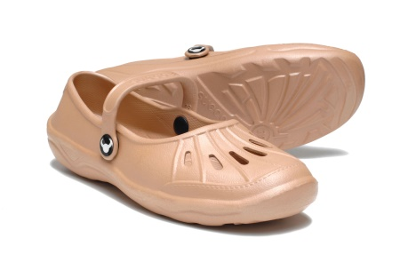 | FBG | 70 pairs per size | 6 Euro | 2100
Freya Ballerina White | 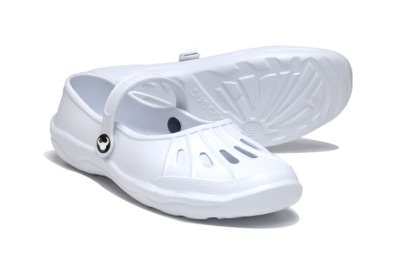 | FBW | 80 pairs per size | 6 Euro | 2400
 |  |  | sizes 36 - 41 | Total euro | 4500
*

